Sheet1
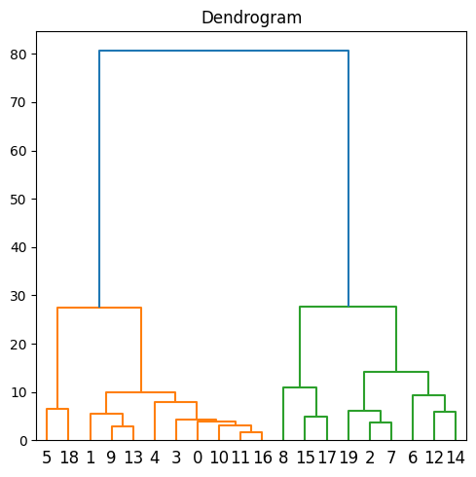
Orig Index | Age | Family_Size | Gender_num | Ever_Married_num | Profession_num | Graduated_num | SpendSc_num | Var_1_num | Segmentation | Segmentation_num | Km Orig | Aggl Orig | Index |  | Age | Family_Size | Gender_num | Ever_Married_num | Profession_num | Graduated_num | SpendSc_num | Var_1_num | Segmentation | Segmentation_num | Km Orig | Aggl Orig | Index
2191 | 39 | 2 | 0 | 0 | 3 | 1 | 2 | 3 | A | 0 | 2 | 3 | 0 |  | 28 | 3 | 0 | 0 | 5 | 0 | 2 | 3 | C | 2 | 1 | 1 | 5
3050 | 43 | 1 | 1 | 0 | 0 | 1 | 2 | 2 | B | 1 | 2 | 3 | 1 |  | 22 | 4 | 1 | 0 | 5 | 0 | 2 | 5 | D | 3 | 1 | 1 | 18
1600 | 62 | 2 | 0 | 1 | 0 | 1 | 2 | 5 | C | 2 | 0 | 0 | 2 |  | 43 | 1 | 1 | 0 | 0 | 1 | 2 | 2 | B | 1 | 2 | 3 | 1
1632 | 38 | 4 | 1 | 1 | 1 | 0 | 1 | 5 | D | 3 | 2 | 3 | 3 |  | 43 | 5 | 1 | 0 | 0 | 1 | 2 | 5 | C | 2 | 2 | 3 | 9
852 | 39 | 7 | 1 | 1 | 4 | 0 | 1 | 3 | D | 3 | 2 | 3 | 4 |  | 42 | 4 | 0 | 1 | 0 | 1 | 0 | 5 | A | 0 | 2 | 3 | 13
676 | 28 | 3 | 0 | 0 | 5 | 0 | 2 | 3 | C | 2 | 1 | 1 | 5 |  | 39 | 7 | 1 | 1 | 4 | 0 | 1 | 3 | D | 3 | 2 | 3 | 4
2351 | 73 | 2 | 0 | 1 | 0 | 1 | 0 | 5 | C | 2 | 3 | 2 | 6 |  | 38 | 4 | 1 | 1 | 1 | 0 | 1 | 5 | D | 3 | 2 | 3 | 3
5046 | 62 | 5 | 1 | 1 | 0 | 1 | 0 | 5 | A | 0 | 0 | 0 | 7 |  | 39 | 2 | 0 | 0 | 3 | 1 | 2 | 3 | A | 0 | 2 | 3 | 0
3328 | 48 | 1 | 0 | 0 | 6 | 1 | 2 | 2 | B | 1 | 0 | 0 | 8 |  | 36 | 1 | 1 | 0 | 1 | 1 | 2 | 5 | B | 1 | 2 | 3 | 10
1009 | 43 | 5 | 1 | 0 | 0 | 1 | 2 | 5 | C | 2 | 2 | 3 | 9 |  | 39 | 1 | 1 | 0 | 1 | 1 | 2 | 5 | A | 0 | 2 | 3 | 11
1509 | 36 | 1 | 1 | 0 | 1 | 1 | 2 | 5 | B | 1 | 2 | 3 | 10 |  | 38 | 1 | 0 | 0 | 2 | 1 | 2 | 5 | D | 3 | 2 | 3 | 16
3422 | 39 | 1 | 1 | 0 | 1 | 1 | 2 | 5 | A | 0 | 2 | 3 | 11 |  | 48 | 1 | 0 | 0 | 6 | 1 | 2 | 2 | B | 1 | 0 | 0 | 8
4982 | 72 | 2 | 0 | 1 | 7 | 1 | 1 | 5 | C | 2 | 3 | 2 | 12 |  | 58 | 4 | 1 | 1 | 4 | 0 | 1 | 2 | B | 1 | 0 | 0 | 15
5453 | 42 | 4 | 0 | 1 | 0 | 1 | 0 | 5 | A | 0 | 2 | 3 | 13 |  | 55 | 4 | 1 | 1 | 6 | 1 | 0 | 5 | C | 2 | 0 | 0 | 17
1197 | 66 | 2 | 0 | 1 | 7 | 1 | 1 | 5 | A | 0 | 3 | 2 | 14 |  | 67 | 2 | 1 | 1 | 0 | 1 | 1 | 5 | B | 1 | 3 | 2 | 19
5836 | 58 | 4 | 1 | 1 | 4 | 0 | 1 | 2 | B | 1 | 0 | 0 | 15 |  | 62 | 2 | 0 | 1 | 0 | 1 | 2 | 5 | C | 2 | 0 | 0 | 2
2476 | 38 | 1 | 0 | 0 | 2 | 1 | 2 | 5 | D | 3 | 2 | 3 | 16 |  | 62 | 5 | 1 | 1 | 0 | 1 | 0 | 5 | A | 0 | 0 | 0 | 7
3126 | 55 | 4 | 1 | 1 | 6 | 1 | 0 | 5 | C | 2 | 0 | 0 | 17 |  | 73 | 2 | 0 | 1 | 0 | 1 | 0 | 5 | C | 2 | 3 | 2 | 6
2002 | 22 | 4 | 1 | 0 | 5 | 0 | 2 | 5 | D | 3 | 1 | 1 | 18 |  | 72 | 2 | 0 | 1 | 7 | 1 | 1 | 5 | C | 2 | 3 | 2 | 12
4046 | 67 | 2 | 1 | 1 | 0 | 1 | 1 | 5 | B | 1 | 3 | 2 | 19 |  | 66 | 2 | 0 | 1 | 7 | 1 | 1 | 5 | A | 0 | 3 | 2 | 14

 |  |  |  |  |  |  |  |  |  |  |  | sumcheck | 190 |  |  |  |  |  |  |  |  |  |  |  |  | sumcheck | 190

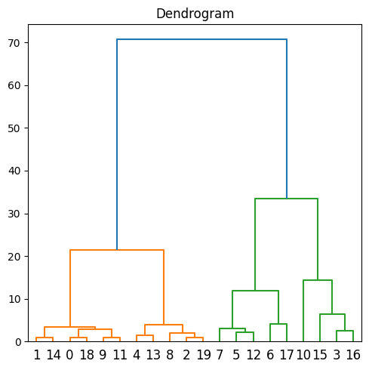
 | 3 features
Original Index | Age | Gender_num | SpendSc_num | Segmentation | Segmentation_num | Km Orig | Aggl Orig | Index |  |  | Age | Gender_num | SpendSc_num | Segmentation | Segmentation_num | Km Orig | Aggl Orig | Index
742 | 28 | 1 | 2 | D | 3 | 3 | 3 | 0 |  |  | 29 | 0 | 0 | A | 0 | 3 | 3 | 1
2127 | 29 | 0 | 0 | A | 0 | 3 | 3 | 1 |  |  | 30 | 0 | 0 | A | 0 | 3 | 3 | 14
2107 | 20 | 1 | 2 | D | 3 | 3 | 3 | 2 |  |  | 28 | 1 | 2 | D | 3 | 3 | 3 | 0
2943 | 51 | 1 | 0 | C | 2 | 2 | 0 | 3 |  |  | 28 | 0 | 2 | C | 2 | 3 | 3 | 18
4362 | 19 | 0 | 2 | D | 3 | 3 | 3 | 4 |  |  | 30 | 1 | 2 | C | 2 | 3 | 1 | 9
4441 | 36 | 1 | 0 | C | 2 | 0 | 1 | 5 |  |  | 30 | 0 | 2 | D | 3 | 3 | 1 | 11
6378 | 47 | 1 | 0 | B | 1 | 0 | 0 | 6 |  |  | 19 | 0 | 2 | D | 3 | 3 | 3 | 4
5091 | 39 | 1 | 0 | A | 0 | 0 | 1 | 7 |  |  | 18 | 1 | 2 | D | 3 | 3 | 3 | 13
1615 | 22 | 0 | 2 | D | 3 | 3 | 3 | 8 |  |  | 22 | 0 | 2 | D | 3 | 3 | 3 | 8
7966 | 30 | 1 | 2 | C | 2 | 3 | 1 | 9 |  |  | 20 | 1 | 2 | D | 3 | 3 | 3 | 2
3347 | 65 | 1 | 2 | A | 0 | 2 | 2 | 10 |  |  | 21 | 1 | 2 | D | 3 | 3 | 3 | 19
7763 | 30 | 0 | 2 | D | 3 | 3 | 1 | 11 |  |  | 39 | 1 | 0 | A | 0 | 0 | 1 | 7
6957 | 37 | 1 | 2 | D | 3 | 0 | 1 | 12 |  |  | 36 | 1 | 0 | C | 2 | 0 | 1 | 5
6527 | 18 | 1 | 2 | D | 3 | 3 | 3 | 13 |  |  | 37 | 1 | 2 | D | 3 | 0 | 1 | 12
429 | 30 | 0 | 0 | A | 0 | 3 | 3 | 14 |  |  | 47 | 1 | 0 | B | 1 | 0 | 0 | 6
5774 | 57 | 1 | 0 | C | 2 | 2 | 0 | 15 |  |  | 43 | 0 | 0 | B | 1 | 0 | 1 | 17
2124 | 52 | 0 | 2 | A | 0 | 2 | 0 | 16 |  |  | 65 | 1 | 2 | A | 0 | 2 | 2 | 10
6480 | 43 | 0 | 0 | B | 1 | 0 | 1 | 17 |  |  | 57 | 1 | 0 | C | 2 | 2 | 0 | 15
4712 | 28 | 0 | 2 | C | 2 | 3 | 3 | 18 |  |  | 51 | 1 | 0 | C | 2 | 2 | 0 | 3
233 | 21 | 1 | 2 | D | 3 | 3 | 3 | 19 |  |  | 52 | 0 | 2 | A | 0 | 2 | 0 | 16

 |  |  |  |  |  |  | sumcheck | 190 |  |  |  |  |  |  |  |  | sumcheck | 190

